Create and deploy
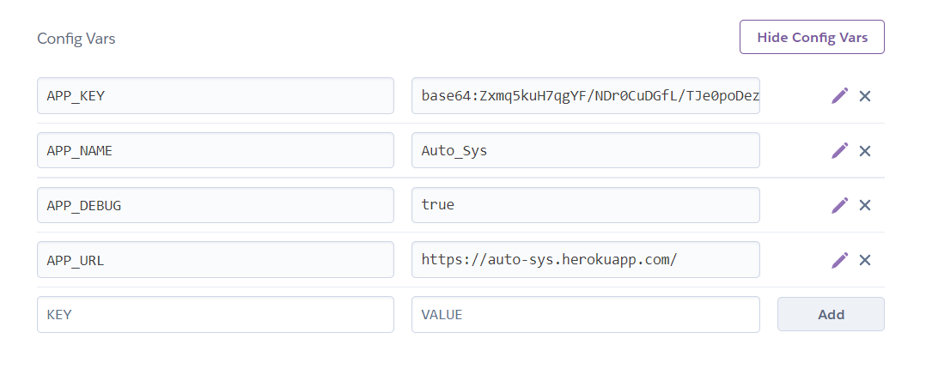
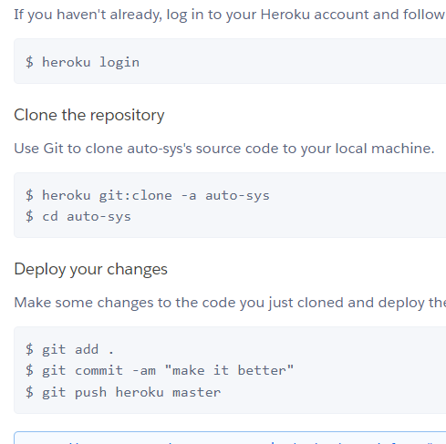
1. composer create-project laravel/laravel example-app
2.
 | 3.

Login and Reg
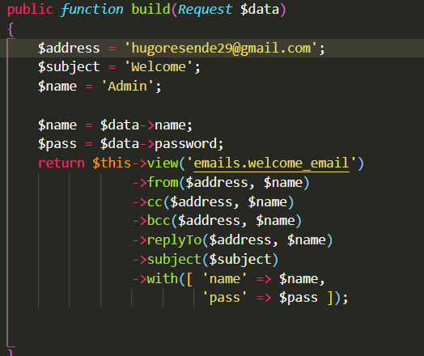
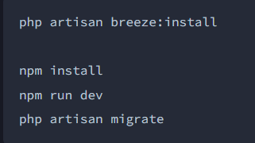
1. composer require laravel/breeze --dev | 2. ENVIAR EMAIL NO REGISTO
 | php artisan make:mail WelcomeMail

 | vai criar uma pasta Mail em App, em WelcomeMail.php alterar função build, que vai ter return view welcome_email
 | view do welcome mail vai ser o enviado

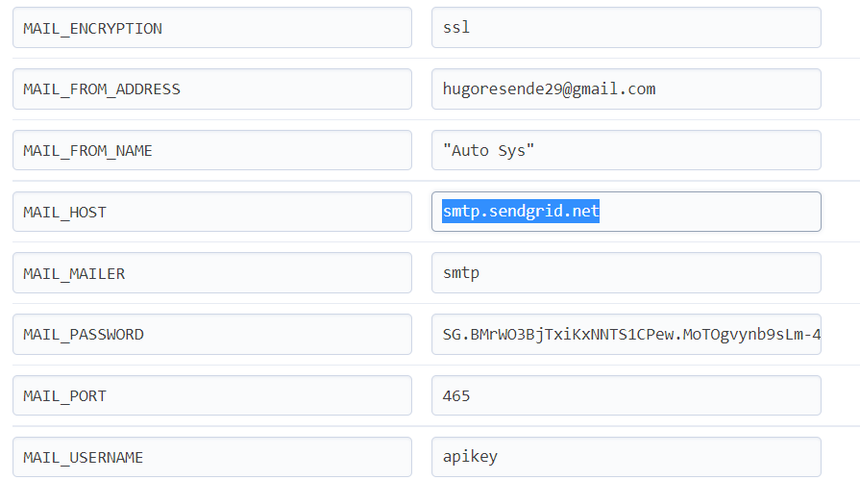
 |  | 3.Heroku mail set up
 | Send Email on Registration with Laravel Authentication – 5 Balloons
 | How to send welcome emails after user registration in Laravel? | by VNC Digital Services | Medium
 | php artisan make:mail WelcomeMail
 | em Mail\WelcomeMail.php preencher o construtor

Heroku set-up DB
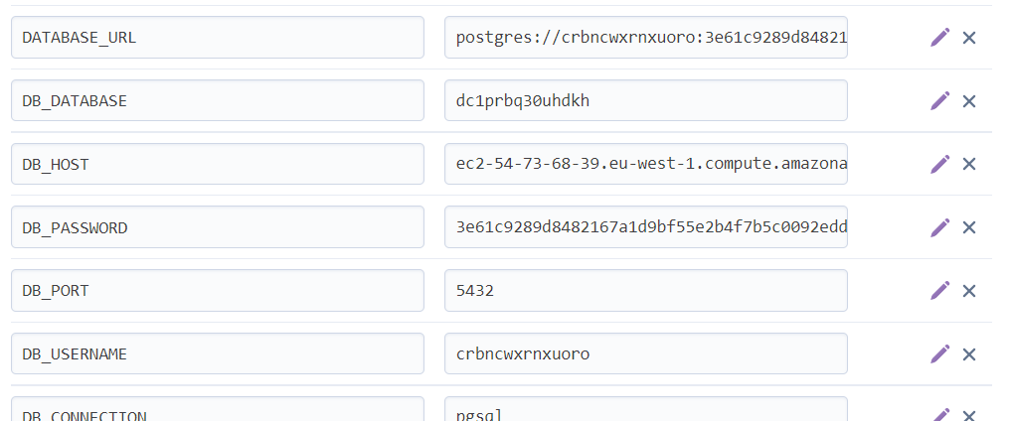
adicionar as seguintes vars depois de usar Heroku PostGres como resource

json to BD
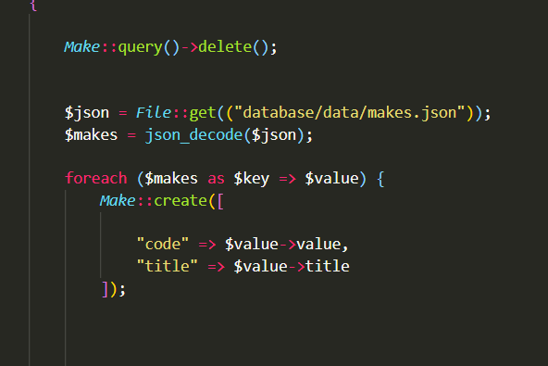
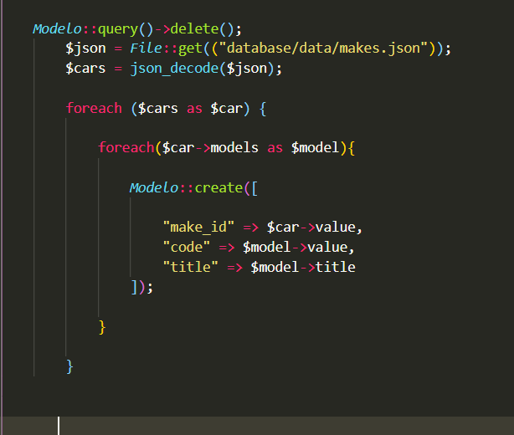
php artisan make:model Car -m
php artisan make:controller CarController --resource

importar do JSON make e models
How to Create Seeder with JSON data in Laravel? - ItSolutionStuff.com

make & model
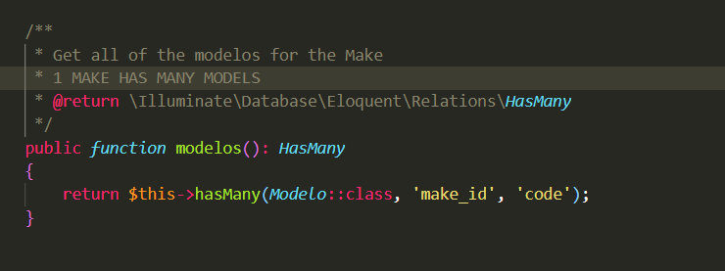
MAKE MODEL | MODELO MODEL

populate 2 selects
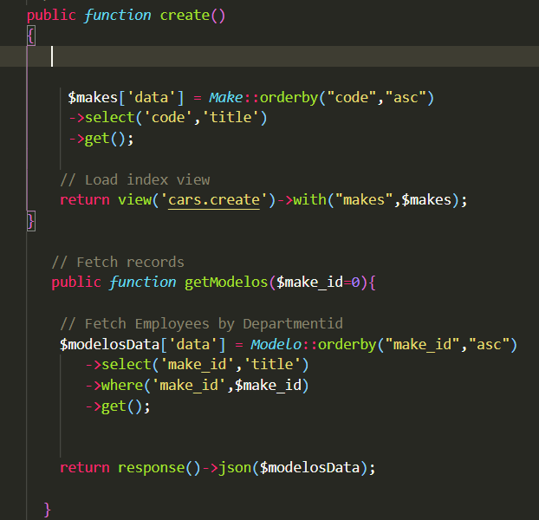
Demo - Auto populate Dropdown with jQuery AJAX in Laravel 8 (makitweb.com)
ROUTES::

CAR CONTROLLER

upload images
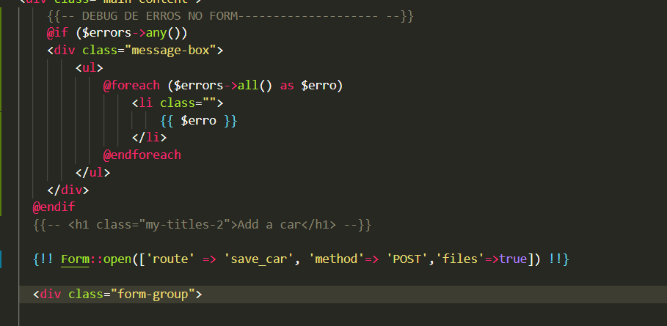
 | Laravel 8 Image Upload Tutorial Example - ItSolutionStuff.com

 | PREVIEW DA IMAGEM ANTES DE SUBMETER
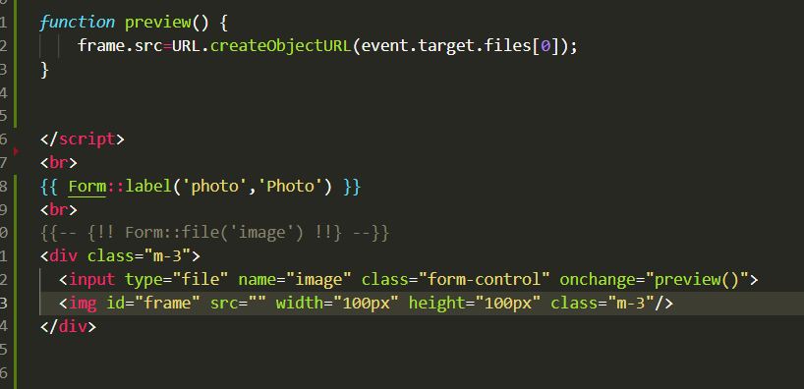

// $imageName = time().'.'.$request->image->extension();
// $destination = public_path('profile_pics');
// $request->image->move($destination,$imageName);

populate select country
How to Create Seeder with JSON data in Laravel? - ItSolutionStuff.com
criar o modelo e a migration
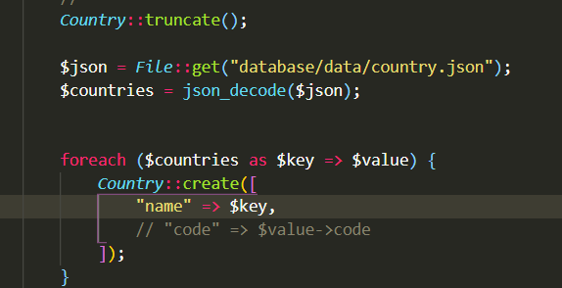
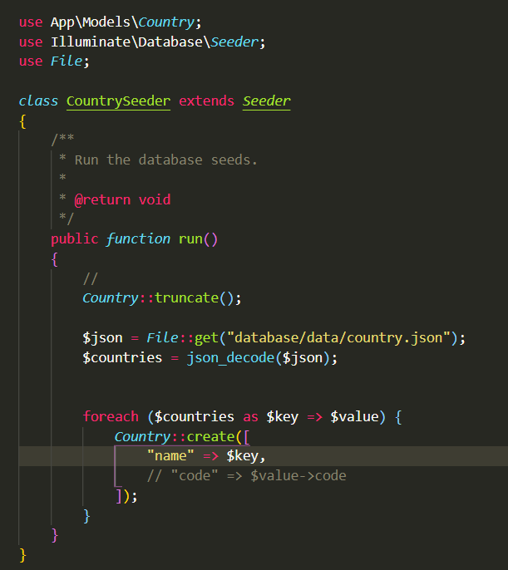
 | seeder aqui, atenção use File;

auth
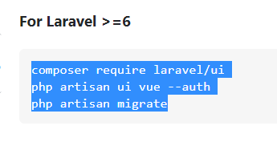
1.composer require laravel/breeze
2.php artisan breeze:install
3.migrate
4.npm install
5.npm run dev

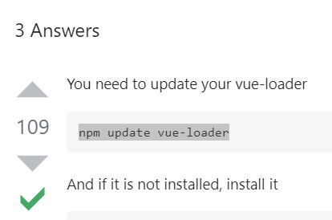
 | php artisan ui vui --auth

vue1
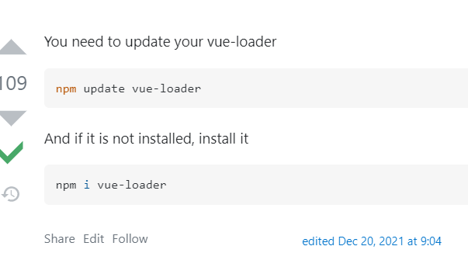
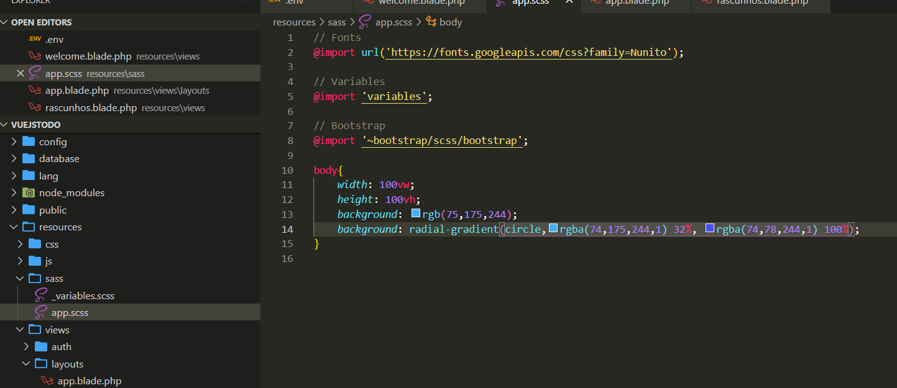
php artisan make:controller Api/CompanyController --api --resource --model=Company

Route::apiResource('companies', \App\Http\Controllers\Api\CompanyController::class);

php artisan make:resource CompanyResource

php artisan make:request CompanyRequest

npm install vue@next vue-router@next vue-loader@next
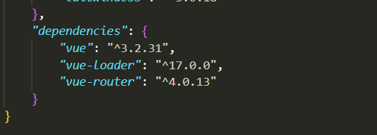

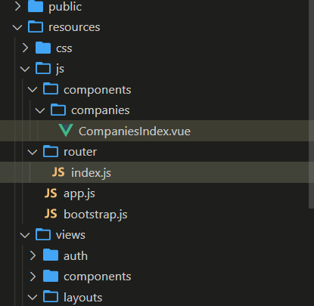
 | NÃO ESQUECER npm run watch para ver alterações

postman
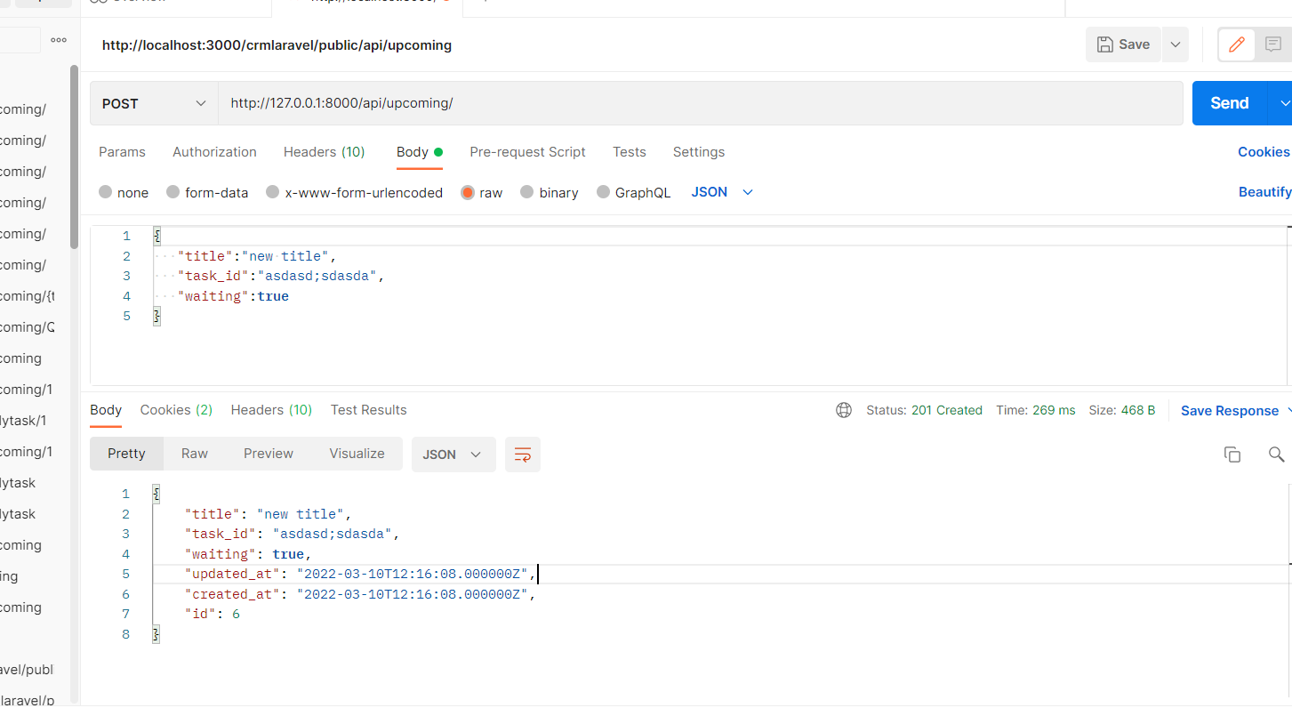

admin lte
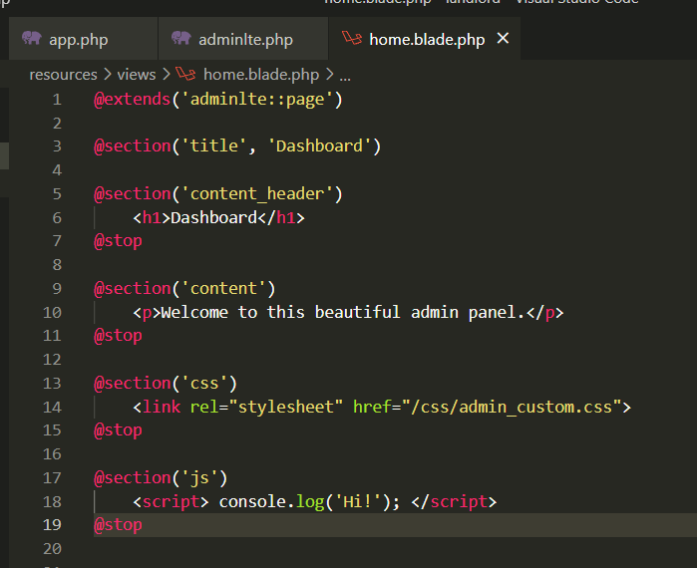
Installation · jeroennoten/Laravel-AdminLTE Wiki (github.com)
primeiro instalar com os comandos depois ver o usage e adicionar na página home

